Year 2
 |  | Reading Comprehension - Year 2
 |  | Develop pleasure in reading, motivation to read, vocabulary and understanding by: |  |  |  |  |  |  |  | Understand both the books that they can already read accurately and fluently and those that they listen to by:

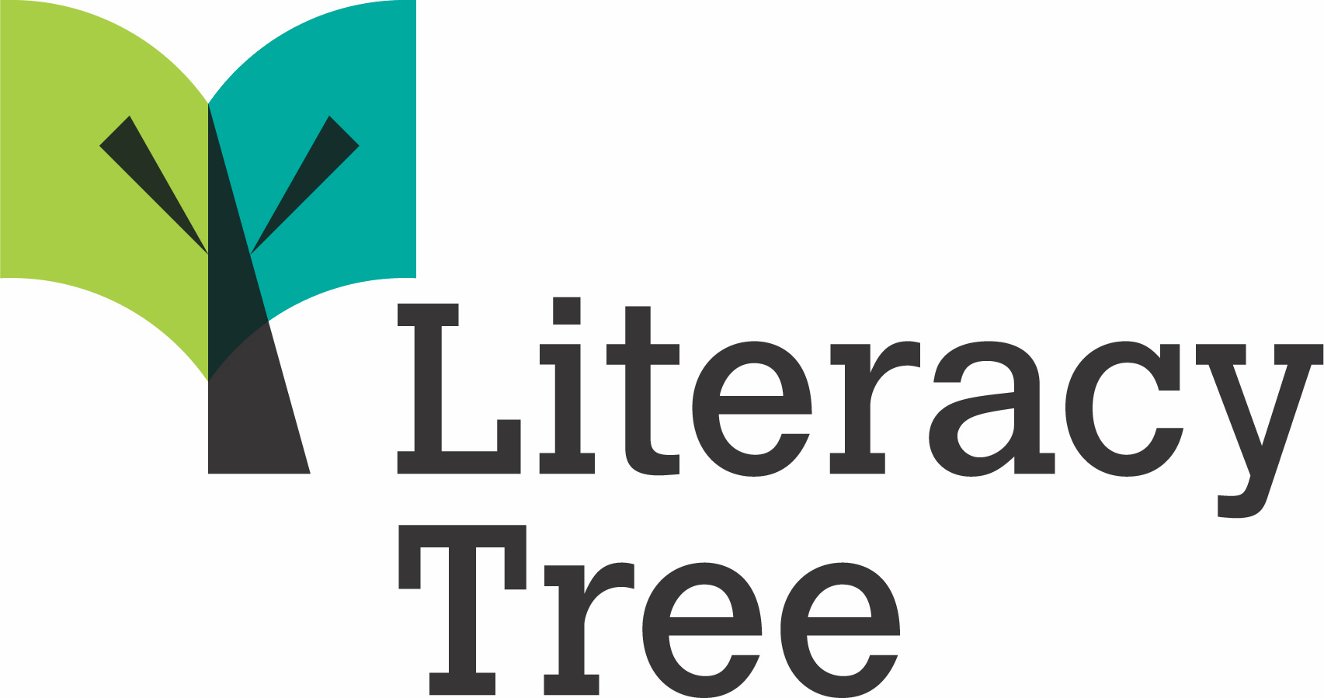 | Curriculum 2014 Objectives | Listening to, discussing and expressing views about a wide range of contemporary and classic poetry, stories and non-fiction at a level beyond that at which they can read independently | Discussing the sequence of events in books and how items of information are related | Becoming increasingly familiar with and retelling a wider range of stories, fairy stories and traditional tales | Being introduced to non-fiction books that are structured in different ways | Recognising simple recurring literary language in stories and poetry | Discussing and clarifying the meanings of words, linking new meanings to known vocabulary | Discussing their favourite words and phrases | Continuing to build up a repertoire of poems learnt by heart, appreciating these and reciting some, with appropriate intonation to make the meaning clear | Drawing on what they already know or on background information and vocabulary provided by the teacher | Checking that the text makes sense to them as they read and correcting inaccurate reading | Making inferences on the basis of what is being said and done | Answering and asking questions | Predicting what might happen on the basis of what has been read so far | Participate in discussion about books, poems and other works that are read to them and those that they can read for themselves, taking turns and listening to what others say | Explain and discuss their understanding of books, poems and other material, both those that they listen to and those that they read for themselves
Themes | Books
 | The Spider and the Fly | ✔ |  |  |  | ✔ | ✔ |  | ✔ | ✔ | ✔ | ✔ | ✔ | ✔ | ✔ | ✔
A twist in the tale | After the Fall | ✔ | ✔ | ✔ |  | ✔ | ✔ |  |  | ✔ | ✔ | ✔ | ✔ | ✔ | ✔
 | Cinderella: An Art Deco Fairytale | ✔ | ✔ | ✔ |  |  | ✔ | ✔ |  | ✔ | ✔ | ✔ | ✔ | ✔ | ✔ | ✔
 | Dixie O'Day: In the Fast Lane | ✔ | ✔ |  |  |  | ✔ |  |  | ✔ | ✔ | ✔ | ✔ | ✔ | ✔ | ✔
 | There's a Rang-tan in my Bedroom | ✔ | ✔ |  | ✔ |  | ✔ |  |  | ✔ | ✔ | ✔ | ✔ | ✔ | ✔ | ✔
Creation & | Lost Species | ✔ | ✔ |  | ✔ |  | ✔ | ✔ |  | ✔ | ✔ | ✔ | ✔ | ✔ | ✔ | ✔
conservation | The Magic and Mystery of Trees | ✔ | ✔ |  | ✔ |  | ✔ |  |  | ✔ | ✔ | ✔ | ✔ | ✔ | ✔ | ✔
 | Rabbit and Bear | ✔ | ✔ |  |  |  | ✔ | ✔ |  | ✔ | ✔ | ✔ | ✔ | ✔ | ✔ | ✔
Bravery vs. fear | A Book of Bears | ✔ | ✔ |  | ✔ |  | ✔ |  |  | ✔ |  | ✔ | ✔ |  | ✔ | ✔
 | Hotel Flamingo | ✔ | ✔ |  |  |  | ✔ | ✔ |  | ✔ | ✔ | ✔ | ✔ | ✔ | ✔ | ✔
 | Too Small Tola | ✔ | ✔ |  |  | ✔ | ✔ |  |  | ✔ | ✔ | ✔ | ✔ | ✔ | ✔ | ✔
Change & | Fanatical About Frogs | ✔ | ✔ |  | ✔ |  | ✔ | ✔ |  | ✔ |  | ✔ | ✔ |  |  | ✔
relationships | The Magic Finger | ✔ | ✔ |  |  |  | ✔ | ✔ |  | ✔ | ✔ | ✔ | ✔ | ✔ | ✔ | ✔
 | Eric | ✔ | ✔ | ✔ |  |  | ✔ |  |  | ✔ | ✔ | ✔ | ✔ | ✔ | ✔ | ✔
Fictional worlds | Cakes in Space | ✔ | ✔ |  |  |  | ✔ |  |  | ✔ | ✔ | ✔ | ✔ | ✔ | ✔ | ✔
& fantasy | Ride-by-Nights | ✔ | ✔ |  | ✔ | ✔ | ✔ | ✔ | ✔ | ✔ |  | ✔ | ✔ |  | ✔ | ✔
 | Ada Twist and the Perilous Pantaloons | ✔ | ✔ |  |  |  | ✔ |  |  | ✔ | ✔ | ✔ | ✔ | ✔ | ✔ | ✔
Urban metropolis | The Street Beneath my Feet | ✔ | ✔ |  | ✔ |  | ✔ |  |  | ✔ | ✔ | ✔ | ✔ | ✔ | ✔ | ✔
 | Grimwood | ✔ | ✔ |  |  |  | ✔ |  |  | ✔ | ✔ | ✔ | ✔ | ✔ | ✔ | ✔

 | © Literacy Tree

